PRIMARK
PRIMARK
PHOTO | BRAND | REF | CAT | SECTION | DESCR | COL | QTY | RETAIL | TOTAL | MADE IN | EAN | SIZES | FAMILY | REV CONCA | COMPO
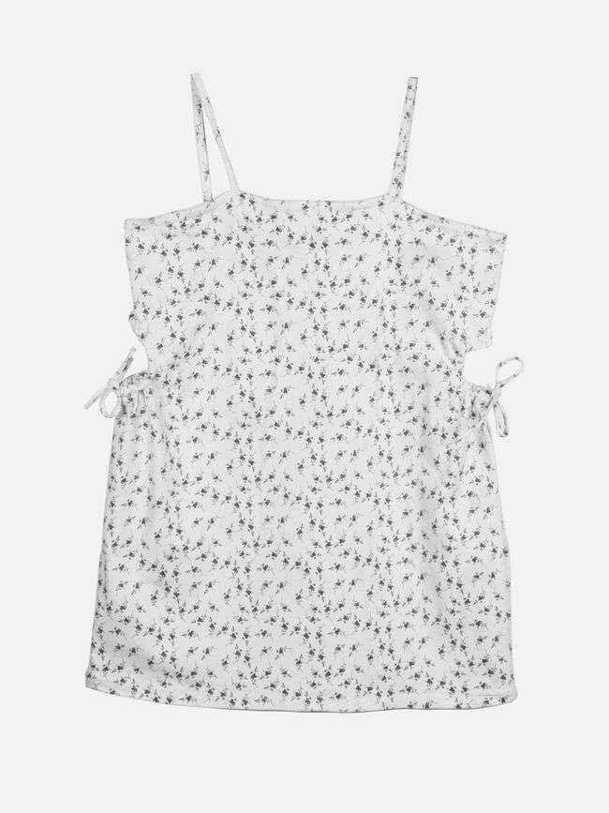 | PRIMARK | 04835 | DRESS | 18- Denim dresses | FLORAL CUT OUT DRESS | White | 912 | 21.00 € | 19,152.54 € | Pakistan | 991034368 | XS to S Ttill XL | VESTIDO | PV23 SERIE 1 SL2VESTIDO | 98% Cotton / 2% Elastane
N/A | PRIMARK | 04501 | DRESS | 18- dresses | SLEEVELESS SMOCK DRESS | Pink | 375 | 17.00 € | 6,375.43 € |  |  | XS to S Ttill XL | VESTIDO | PV23 SERIE 1 SL1VESTIDO
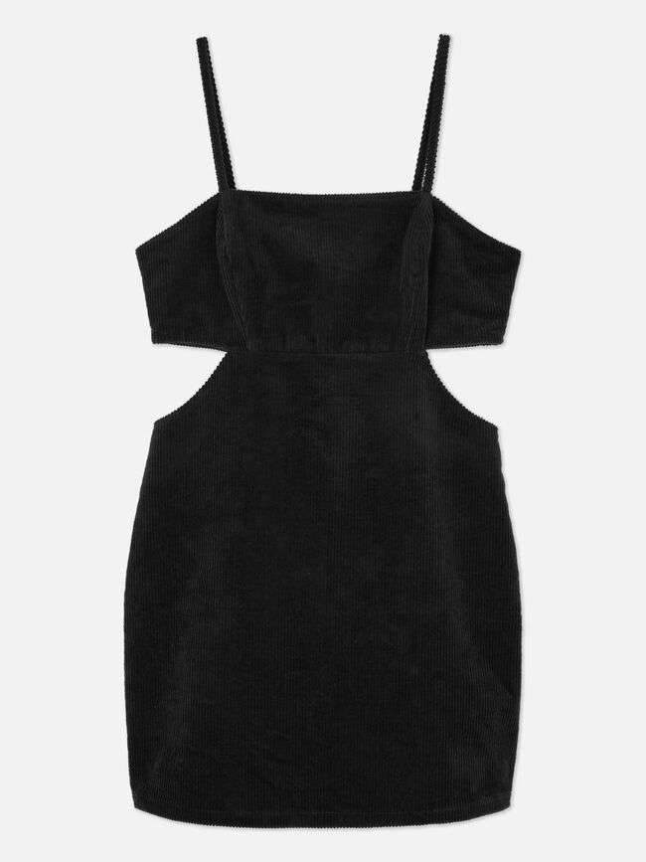 | PRIMARK | 20440 | DRESS | 18-denim dresses | XPAR CORD CUT OUT CAMI DRESS | Black | 878 | 20.00 € | 17,561.08 € | China | 991051156 | XS to S Ttill XL | VESTIDO | PV23 SERIE 2 SL3VESTIDO | 98% Cotton / 2% Elastane
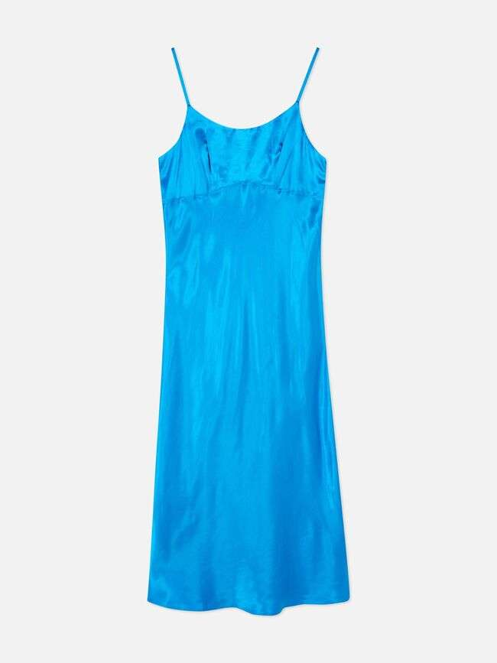 | PRIMARK | 12666 | DRESS | 28-Dresses | PE SATIN BIAS CUT MIDI SLIP | Blue | 1,664 | 18.00 € | 29,953.18 € | Tunisia | 991050496 | XS to S Ttill XL | VESTIDO | PV23 SERIE 1 SL13VESTIDO | 100 % Viscose
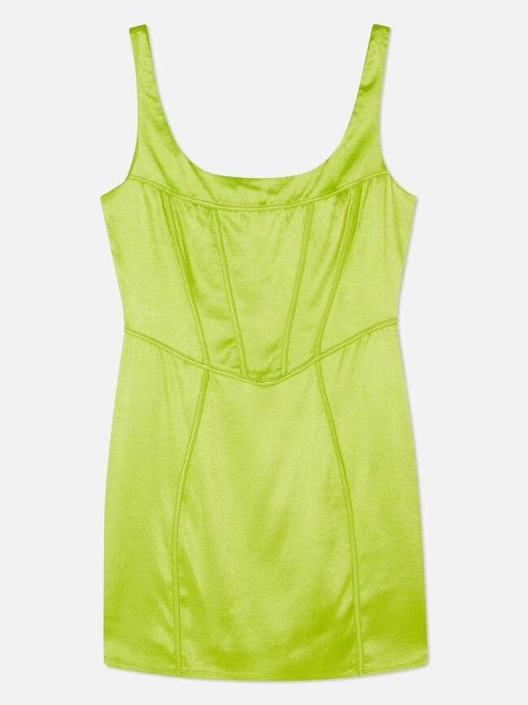 | PRIMARK | 22827 | DRESS | 28-Dresses | STRETCH SATIN CORSET MINI | Green | 1,498 | 16.00 € | 23,966.80 € | Vietnam | 991052584 | XS to S Ttill XL | VESTIDO | PV23 SERIE 2 SL7VESTIDO | 99% Viscose / 1% Elastane
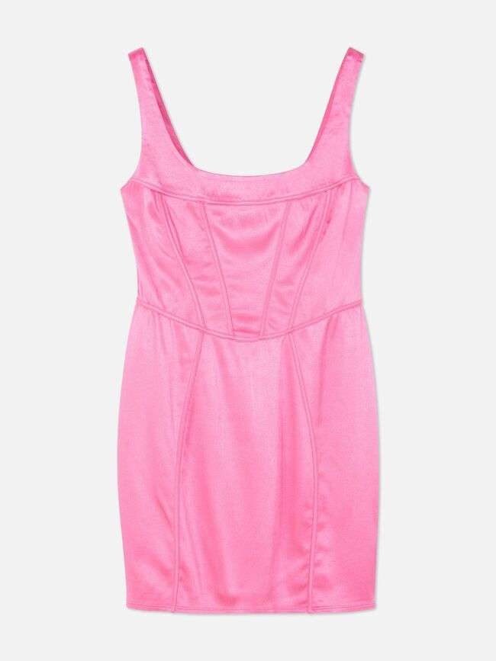 | PRIMARK | 22827 | DRESS | 28-Dresses | STRETCH SATIN CORSET MINI | Pink | 11,897 | 16.00 € | 190,362.51 € | Vietnam | 991052584 | XS to S Ttill XL | VESTIDO | PV23 SERIE 2 SL8VESTIDO | 99% Viscose / 1% Elastane
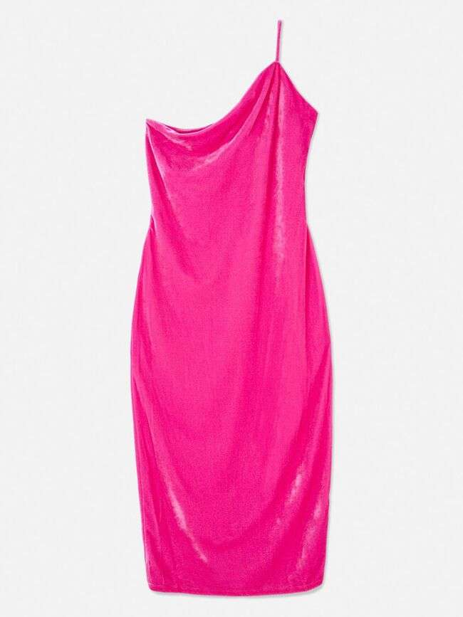 | PRIMARK | 08596 | DRESS | 28-Dresses | PE XPAR 1 SDR VELVET MIDI DR | Pink | 3,164 | 18.00 € | 56,954.33 € | Cambodia | 991049276 | XS to S Ttill XL | VESTIDO | PV23 SERIE 1 SL6VESTIDO | 95% Polyester / 5% Elastane
 | PRIMARK | 17538 | DRESS | 28-Dresses | PE XPAR V 1 SDR PUFF MINI DR | Black | 4,522 | 20.00 € | 90,443.43 € | Cambodia | 991049284 | XS to S Ttill XL | VESTIDO | PV23 SERIE 2 SL1VESTIDO | 95% Polyester / 5% Elastane
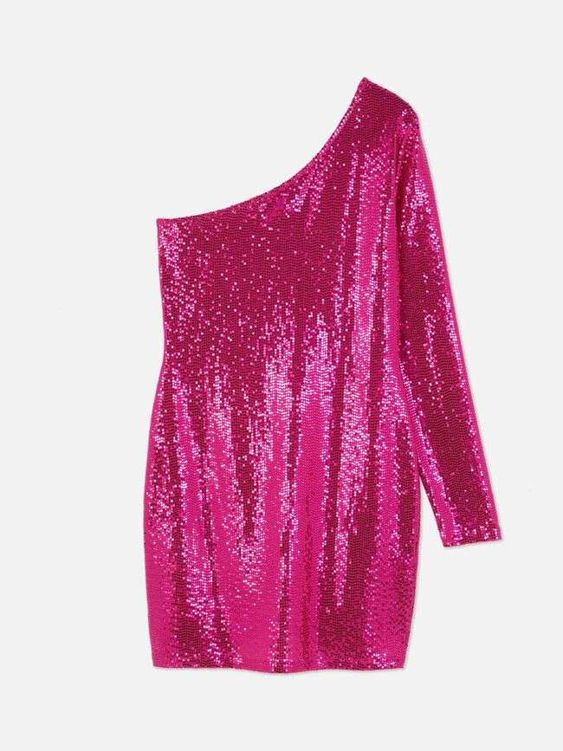 | PRIMARK | 09980 | DRESS | 28-Dresses | XPAR SEQUIN ONE SHOULDER | Pink | 20,042 | 18.00 € | 360,774.31 € | Cambodia | 991049248 | XS to S Ttill XL | VESTIDO | PV23 SERIE 1 SL8VESTIDO | 92% Polyamide / 4% Elastane / 4% Other fibres
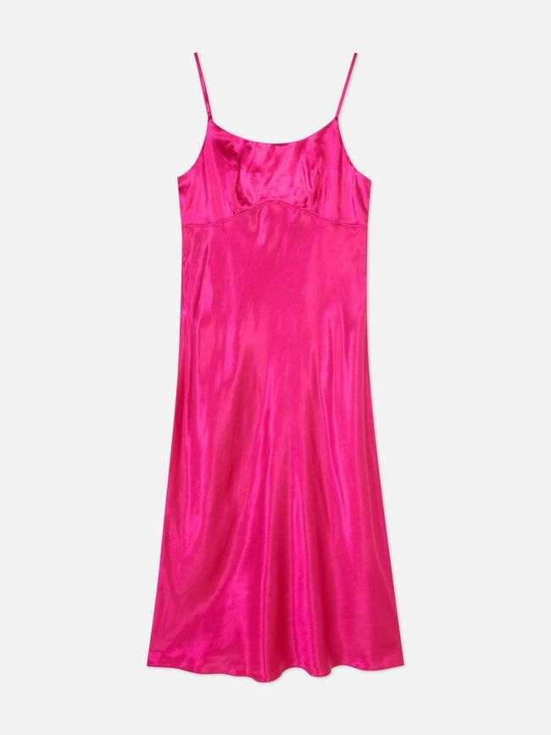 | PRIMARK | 12666 | DRESS | 28-Dresses | PE SATIN BIAS CUT MIDI SLIP | Pink | 3,363 | 18.00 € | 60,537.77 € | Tunisia | 991050496 | XS to S Ttill XL | VESTIDO | PV23 SERIE 1 UVESTIDO | 100 % Viscose
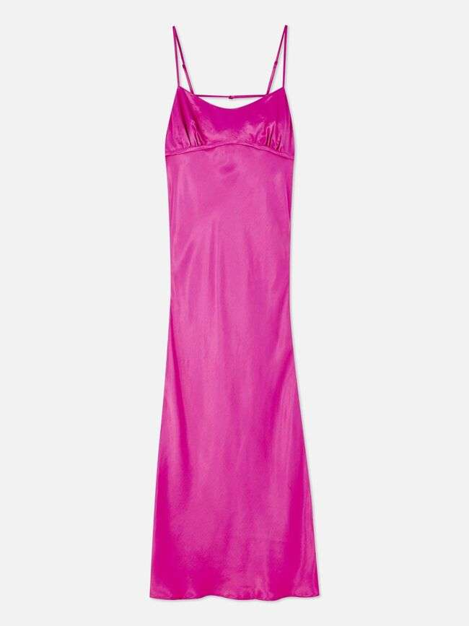 | PRIMARK | 12452 | DRESS | 28-Dresses | SATIN SLIP MIDI | Pink | 863 | 18.00 € | 15,534.68 € | Turkey | 991052700 | XS to S Ttill XL | VESTIDO | PV23 SERIE 1 SL12VESTIDO | 100% Viscose
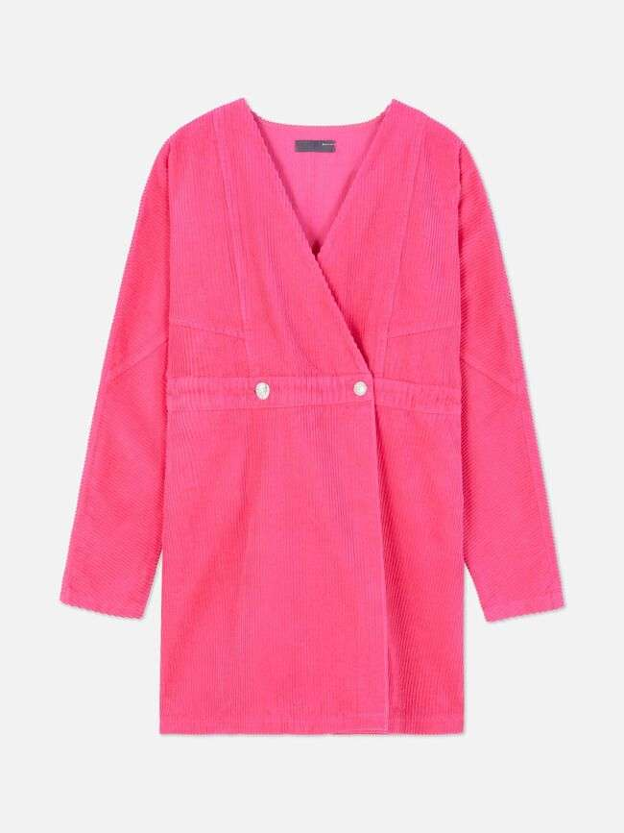 | PRIMARK | 20743 | DRESS | 28-Dresses | XPAR WRAP CORD DRESS | Pink | 98 | 22.00 € | 2,156.05 € | China | 991051418 | XS to S Ttill XL | VESTIDO | PV23 SERIE 2 SL6VESTIDO | 100% Cotton
 | PRIMARK | 17538 | DRESS | 28-Dresses | PE XPAR V 1 SDR PUFF MINI DR | Pink | 5,235 | 20.00 € | 104,704.47 € | Cambodia | 991049284 | XS to S Ttill XL | VESTIDO | PV23 SERIE 2 SL2VESTIDO | 95% Polyester / 5% Elastane
 | PRIMARK | 05949 | DRESS | 28-Dresses | SATIN STRETCH CORSET MINI | Pink | 3,832 | 16.00 € | 61,313.81 € | Turkey | 991052085 | XS to S Ttill XL | VESTIDO | PV23 SERIE 1 SL3VESTIDO | 96% Viscose / 4% Elastane
N/A | PRIMARK | 09980 | DRESS | 28-Dresses | XPAR SEQUIN ONE SHOULDER | Purple | 12 | 18.00 € | 216.00 € | Cambodia | 991049248 | XS to S Ttill XL | VESTIDO | PV23 SERIE 1 SL9VESTIDO | 92% Polyamide / 4% Elastane / 4% Other fibres
 | PRIMARK | 39229 | DRESS | 2-dresses | CORSET DRESS | Pink | 288 | 14.00 € | 4,032.00 € | Turkey | 991054928 | XS to S Ttill XL | VESTIDO | PV23 SERIE 2 SL11VESTIDO | 100% Polyester
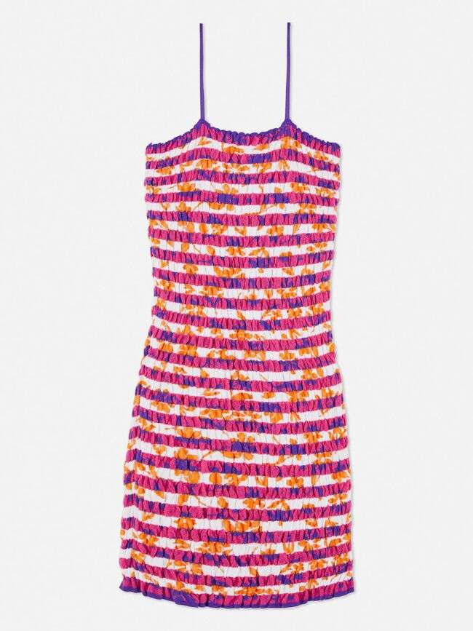 | PRIMARK | 09424 | DRESS | 2-Dresses | SMOCKING DRESS | Multi | 90 | 16.00 € | 1,440.11 € | Turkey | 991047141 | XS to S Ttill XL | VESTIDO | PV23 SERIE 1 SL7VESTIDO | 51% Polyester / 48% Viscose/ 1% Elastane
 | PRIMARK | 07482 | DRESS | 2-Jumpers dresses | GEO SHIFT DRESS | Pink | 7,060 | 18.00 € | 127,088.09 € | Turkey | 991050837 | XS to S Ttill XL | VESTIDO | PV23 SERIE 1 SL5VESTIDO | 100% Polyester
N/A | PRIMARK | 12559 | KNITWEAR | 4-Cardigans | CO PATTERN WAISTCOAT | Red | 1,074 | 14.00 € | 15,036.00 € | China | 991045660 | XS to S Ttill XL | TRICOTOSA | PV23 SERIE 1 SL2TRICOTOSA | 70 % Polyester / 27% Acrylic / 3 % Elastan
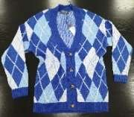 N/A | PRIMARK | 09043 | KNITWEAR | 4-Cardigans | ARGYLE PATTERN CARDIGAN | Blue | 1,007 | 18.00 € | 18,126.00 € | Turkey | 991052963 | XS to S Ttill XL | TRICOTOSA | PV23 SERIE 1 SL1TRICOTOSA | 85 % Acrylic / 15 % Polyamide
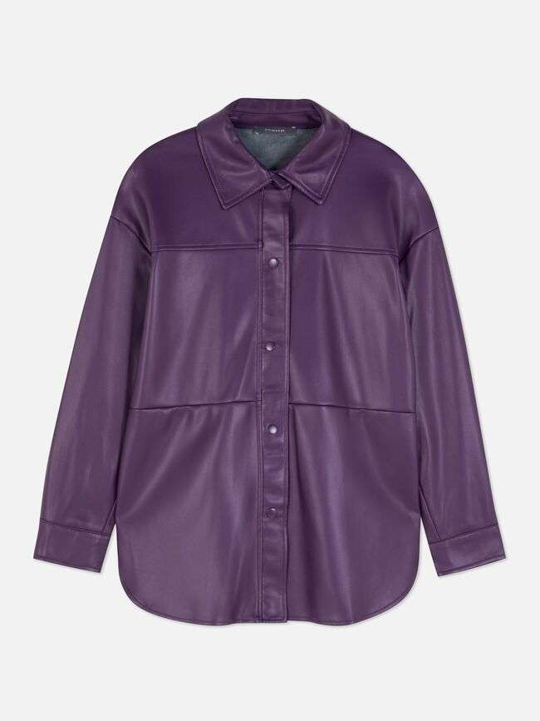 | PRIMARK | 10583 | OUTERWEAR | 26-blazer | PU OVERSHIRT | Purple | 22,035 | 18.00 € | 396,649.83 € | Myanmar | 991048055 | XS to S Ttill XL | PRENDA EXTERIOR | PV23 SERIE 1 SL2PRENDA EXTERIOR | Coating: Polyurethane / Base fabric: 100% Polyester
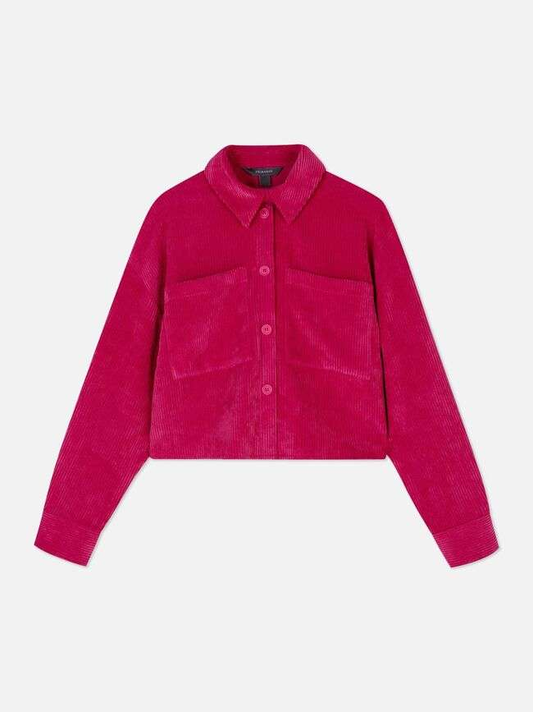 | PRIMARK | 18782 | OUTERWEAR | 26-jacket | PE CORD SHIRT | Pink | 8,754 | 18.00 € | 157,581.61 € | Sri Lanka | 991050600 | XS to S Ttill XL | CAMISA | PV23 SERIE 1 SL5CAMISA | 87% Polyester / 11% Nylon / 2% Elastane
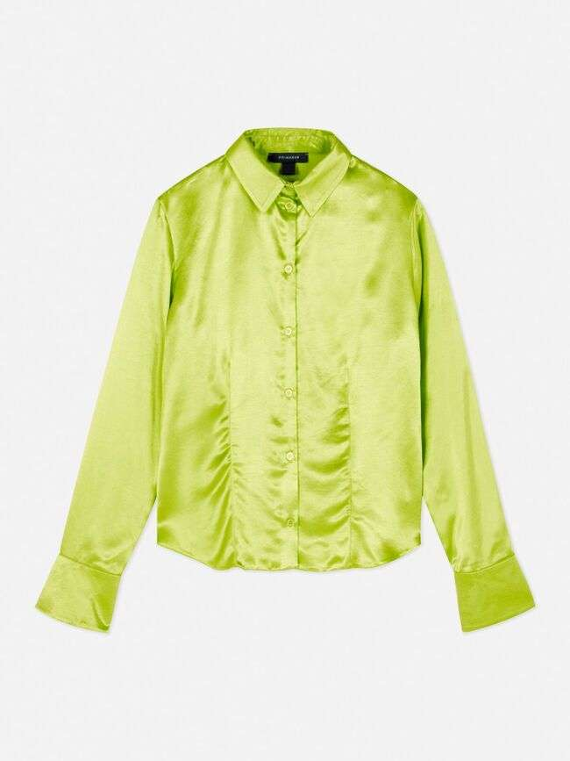 | PRIMARK | 26808 | SHIRT | 26-Blouses | ELSA SATIN | Lime | 884 | 16.00 € | 14,144.69 € | Tunisia | 991050716 | XS to S Ttill XL | CAMISA | PV23 SERIE 1 SL12CAMISA | 100% Viscose
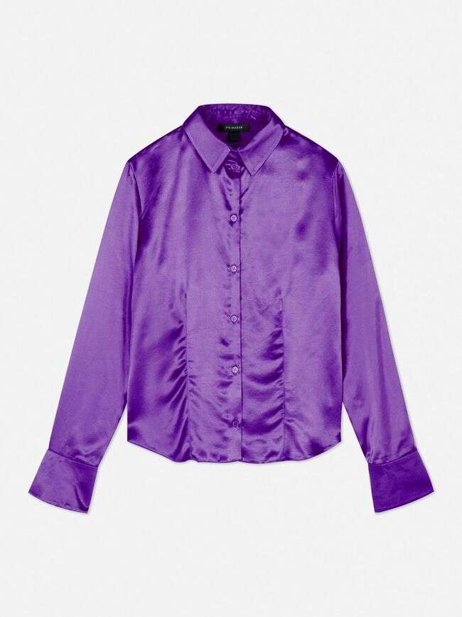 | PRIMARK | 26808 | SHIRT | 26-Blouses | ELSA SATIN | Purple | 19,261 | 16.00 € | 308,193.80 € | Tunisia | 991050716 | XS to S Ttill XL | CAMISA | PV23 SERIE 1 UCAMISA | 100% Viscose
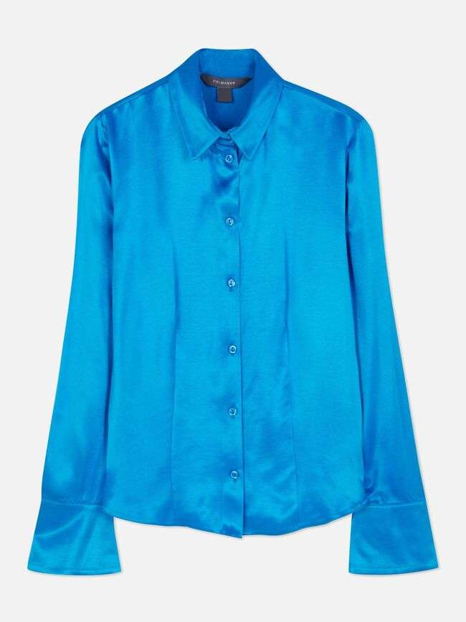 | PRIMARK | 26808 | SHIRT | 26-Blouses | ELSA SATIN | Blue | 22,775 | 16.00 € | 364,419.72 € | Sri Lanka | 991050716 | XS to S Ttill XL | CAMISA | PV23 SERIE 1 SL11CAMISA | 100 % Viscose
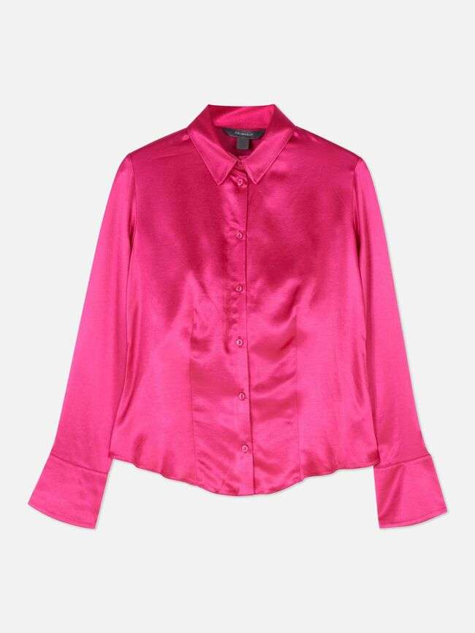 | PRIMARK | 26808 | SHIRT | 26-Blouses | ELSA SATIN | Pink | 42,960 | 16.00 € | 687,397.20 € | Tunisia | 991050716 | XS to S Ttill XL | CAMISA | PV23 SERIE 1 SL13CAMISA | 100% Viscose
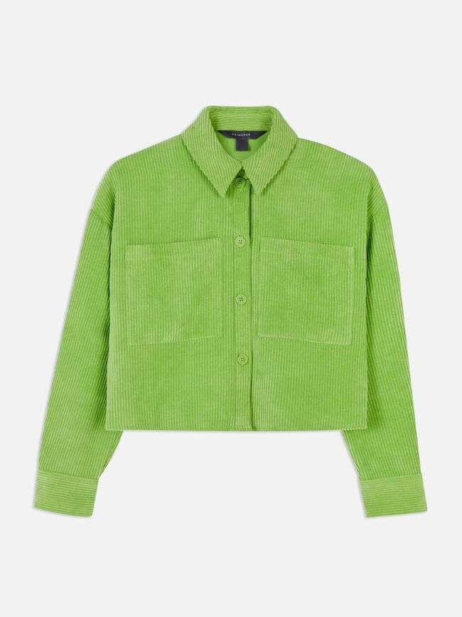 | PRIMARK | 18782 | SHIRT | 26-Blouses | PE CORD SHIRT | Green | 574 | 18.00 € | 10,332.42 € | Sri Lanka | 991050600 | XS to S Ttill XL | CAMISA | PV23 SERIE 1 SL4CAMISA | 87% Polyester / 11% Nylon / 2% Elastane
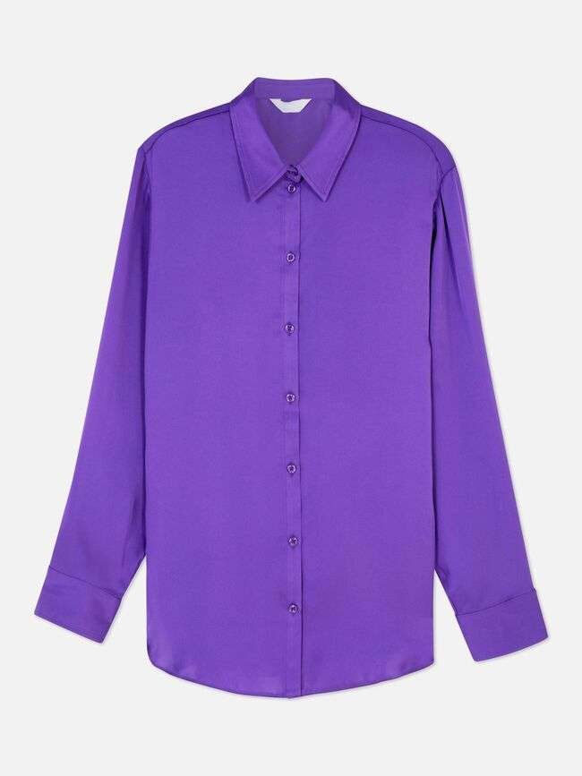 | PRIMARK | 21305 | SHIRT | 26-Blouses | SATIN SHIRT | Purple | 13 | 16.00 € | 208.01 € | Sri Lanka | 991046955 | XS to S Ttill XL | CAMISA | PV23 SERIE 1 SL6CAMISA | 100% Polyester
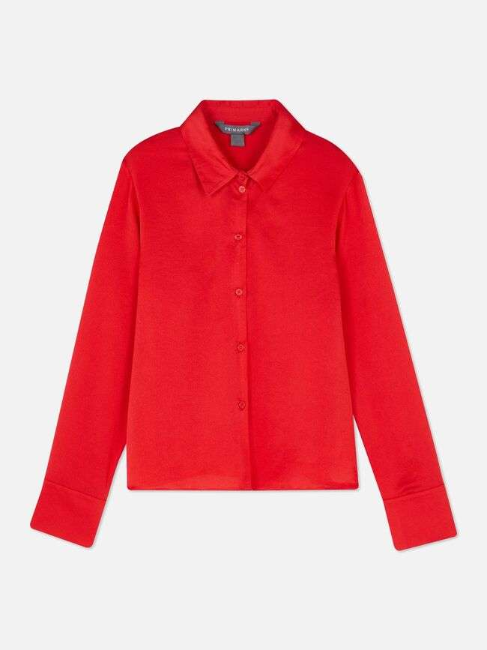 | PRIMARK | 22904 | SHIRT | 26-Blouses | SLIM FIT SATIN PLAIN | Red | 22,545 | 13.00 € | 293,104.36 € | Tunisia | 991052319 | XS to S Ttill XL | CAMISA | PV23 SERIE 1 SL7CAMISA | 100 % Polyester
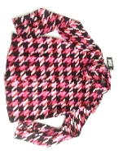 | PRIMARK | 25906 | SHIRT | 26-Blouses | SLIM FIT SATIN PRINT | Peach | 1,062 | 13.00 € | 13,807.14 € | Tunisia | 991051346 | XS to S Ttill XL | CAMISA | PV23 SERIE 1 SL8CAMISA | 100% Polyester
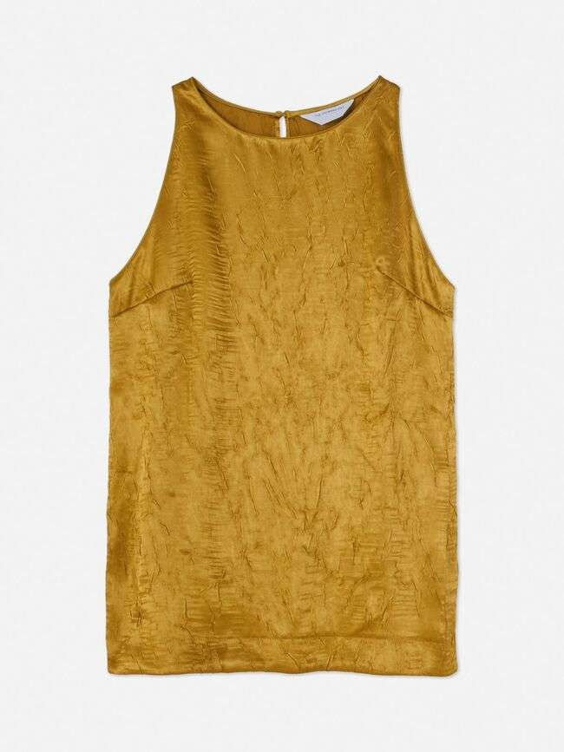 | PRIMARK | 43969 | SHIRT | 26-Blouses | PRM CO TEXTURE SATIN TUNI | Gold | 5,523 | 22.00 € | 121,512.93 € | Vietnam | 991056871 | XS to S Ttill XL | VESTIDO | PV23 SERIE 2 SL12VESTIDO | 100% Polyester
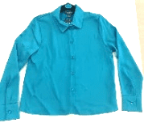 N/A | PRIMARK | 64915 | SHIRT | 26-Blouses | SLIM FIT SATIN PLAIN | Bright Blue | 2,096 | 11.00 € | 23,056.00 € | Tunisia | 991039553 | XS to S Ttill XL | CAMISA | PV23 SERIE 2 SL4CAMISA | 100 % Polyester
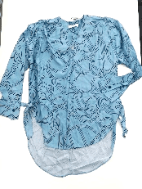 | PRIMARK | 31816 | SHIRT | 26-Blouses | TIE DETAIL TUNIC PRINT | Blue | 1,178 | 13.00 € | 15,314.00 € | Sri Lanka | 991048017 | XS to S Ttill XL | CAMISA | PV23 SERIE 2 SL2CAMISA | 100% Viscose
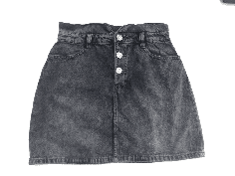 N/A | PRIMARK | 29771 | SKIRT | 18- Denim skirt | XPAR CO EMBELLISHED SKIRT | Black | 560 | 15.00 € | 8,400.00 € |  |  | XS to S Ttill XL | FALDA | PV23 SERIE 1 SL7FALDA
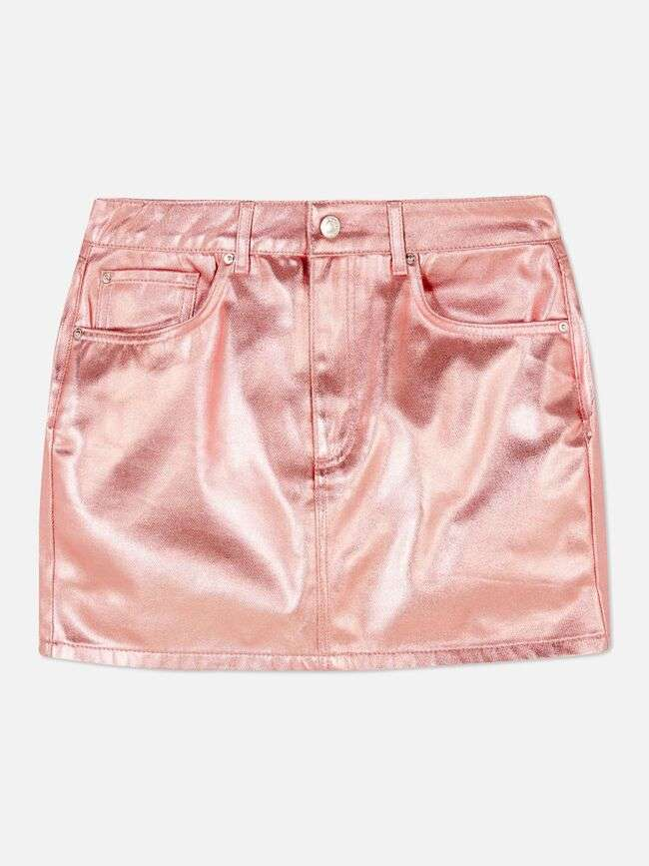 | PRIMARK | 11063 | SKIRT | 18- metalic skirt | SL COATED MINI SKIRT | Pink | 2,142 | 16.00 € | 34,274.73 € | Turkey | 991050703 | XS to S Ttill XL | FALDA | PV23 SERIE 1 SL1FALDA | 100% Cotton
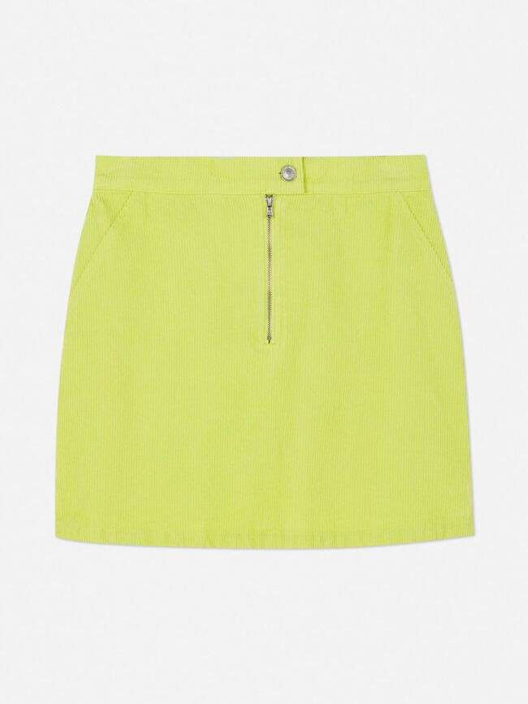 | PRIMARK | 23899 | SKIRT | 18-Skirt Denim | CORD MINI SKIRT | Lime | 6,610 | 16.00 € | 105,764.64 € | China | 991045220 | XS to S Ttill XL | FALDA | PV23 SERIE 1 SL4FALDA | 100% Cotton
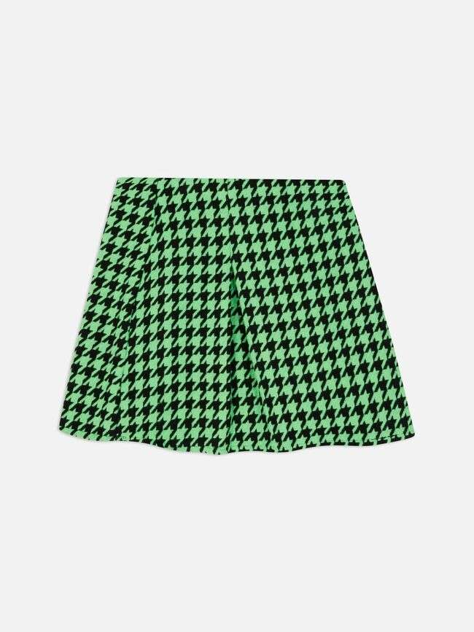 | PRIMARK | 30361 | SKIRT | 28-pattern Skirts | BOUCLE PLEAT MINI SKIRT | Green | 932 | 13.00 € | 12,116.25 € | China | 991048326 | XS to S Ttill XL | FALDA | PV23 SERIE 1 SL8FALDA | 88% Polyester / 7% Viscose / 3% Nylon / 2% Acryl
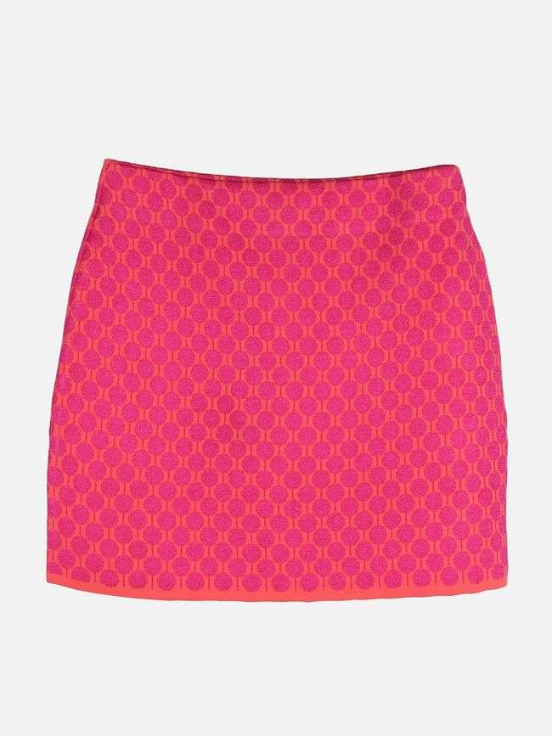 | PRIMARK | 28557 | SKIRT | 4-skirt | GEO PATTERN SKIRT | Pink | 1,980 | 12.00 € | 23,761.90 € |  |  | XS to S Ttill XL | FALDA | PV23 SERIE 1 SL6FALDA
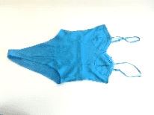 N/A | PRIMARK | 17488 | TOP | 26-Body | PE SATIN BODY | Turquoise | 2,610 | 11.00 € | 28,710.00 € | Vietnam | 991051305 | XS to S Ttill XL | CAMISA | PV23 SERIE 1 SL2CAMISA | 98% Viscose / 2% Elastane
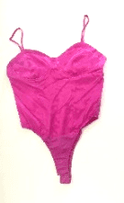 | PRIMARK | 12055 | TOP | 26-body | SATIN BODYSUIT | Pink | 3,080 | 11.00 € | 33,880.00 € | Turkey | 991053025 | XS to S Ttill XL | CAMISA | PV23 SERIE 1 SL1CAMISA | 97% Rayon / 3% Lycra
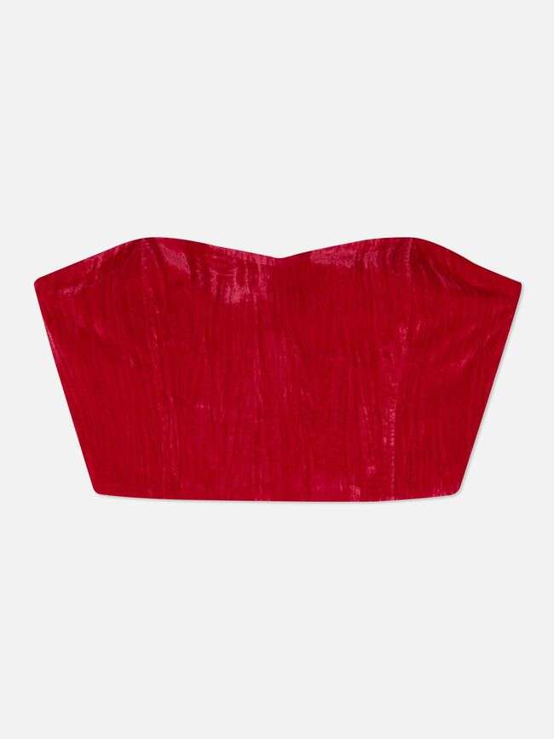 | PRIMARK | 13032 | TOP | 26-Velvet top | PE XPAR CO VELVET CORSET | Red | 1,590 | 11.00 € | 17,490.70 € | China | 991052712 | XS to S Ttill XL | CAMISETA | PV23 SERIE 1 SL6CAMISETA | 100% Polyester
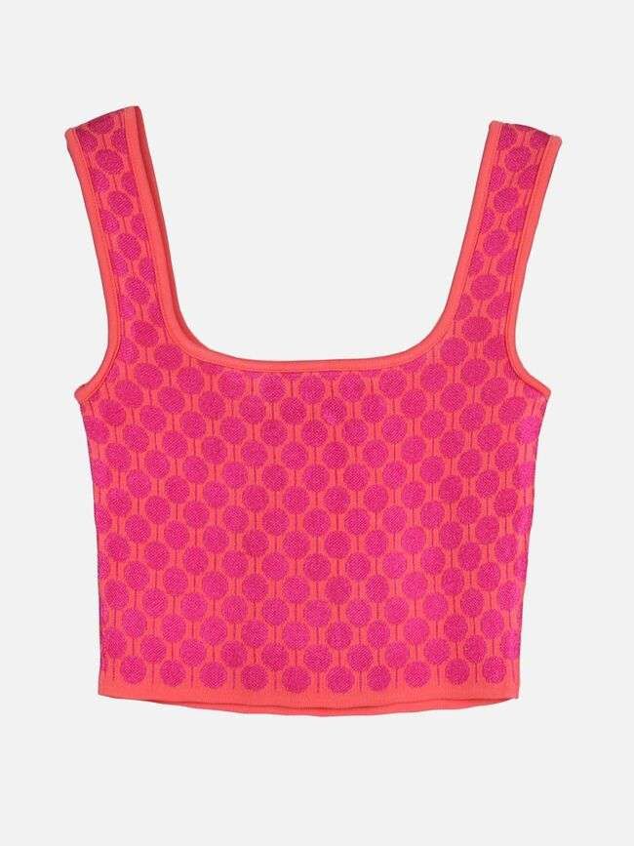 | PRIMARK | 17235 | TOP | 2-pattern top | GEO PATTERN VEST | Pink | 9,654 | 12.00 € | 115,853.79 € | Turkey | 991051048 | XS to S Ttill XL | CAMISETA | PV23 SERIE 1 SL8CAMISETA | 100% Polyester
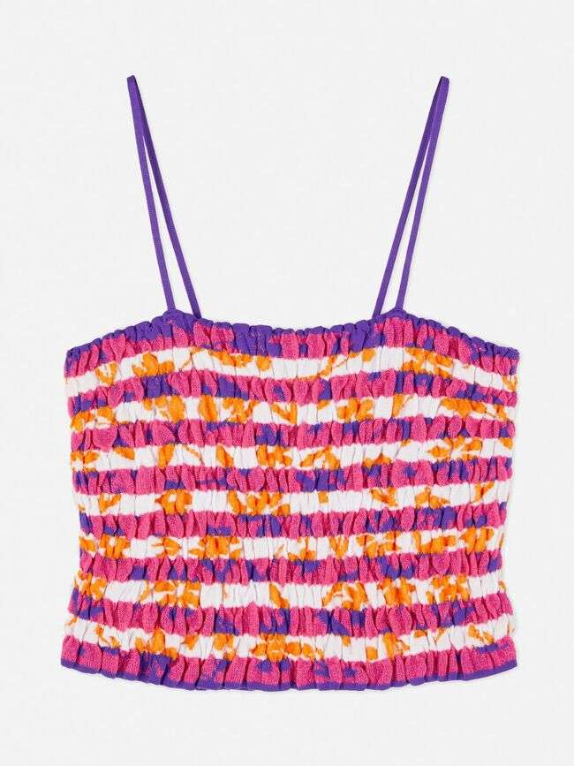 | PRIMARK | 07274 | TOP | 2-Pattern top | SMOCKING VEST | Multi | 9,130 | 12.00 € | 109,563.23 € | Turkey | 991047126 | XS to S Ttill XL | CAMISETA | PV23 SERIE 1 SL2CAMISETA | 51% Polyester / 48% Viscose/ 1% Elastane
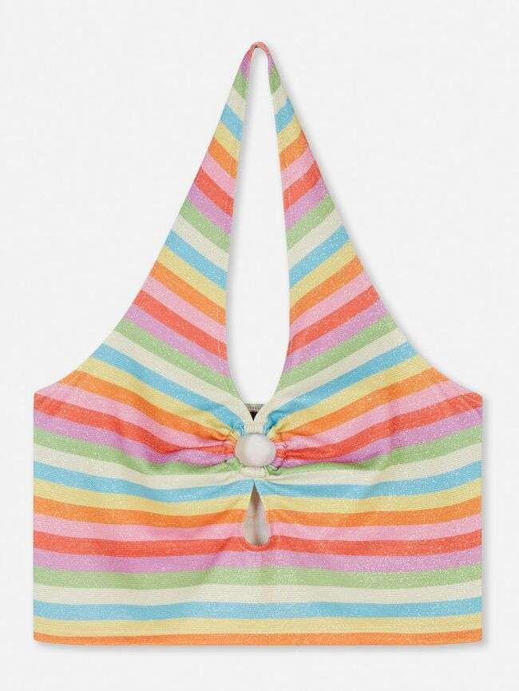 | PRIMARK | 10328 | TOP | 8- fabric Jersey Tops | LUREX HALTER O RING TOP | Multi | 7,490 | 9.00 € | 67,412.23 € | Turkey | 991047143 | XS to S Ttill XL | CAMISETA | PV23 SERIE 1 SL5CAMISETA | 83% Polyester / 10% Elastane / 7% Metallised
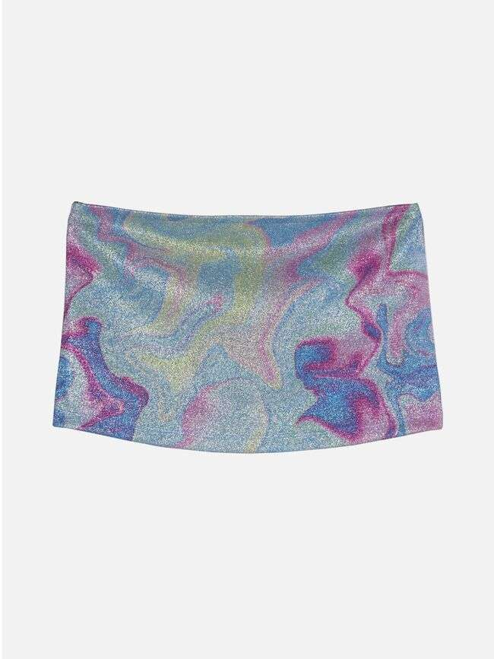 | PRIMARK | 09863 | TOP | 8-Jersey Tops Hanging | CO LUREX BANDEAU | Multi | 8,020 | 5.00 € | 40,102.56 € | Turkey | 991047978 | XS to S Ttill XL | CAMISETA | PV23 SERIE 1 SL3CAMISETA | 71& Polyester / 24% Metalized fibre / 5% Spandex
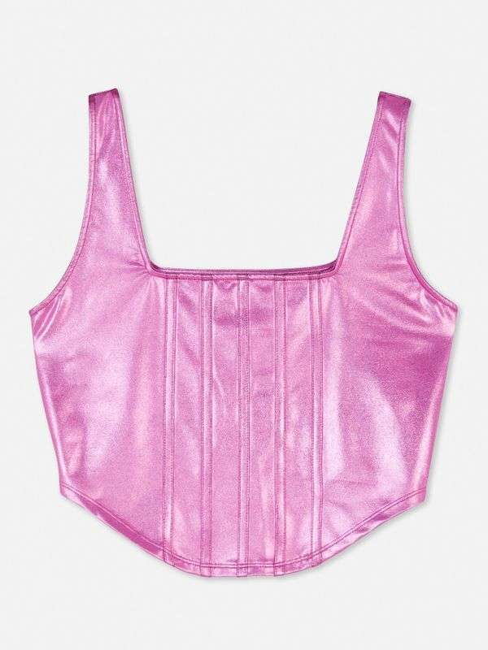 | PRIMARK | 25176 | TOP | 8-Jersey Tops Hanging | METALLIC JERSEY CORSET | Pink | 16,337 | 9.00 € | 147,042.65 € | Turkey | 991047166 | XS to S Ttill XL | CAMISETA | PV23 SERIE 1 SL12CAMISETA | 90% Polyester / 10% Elastane
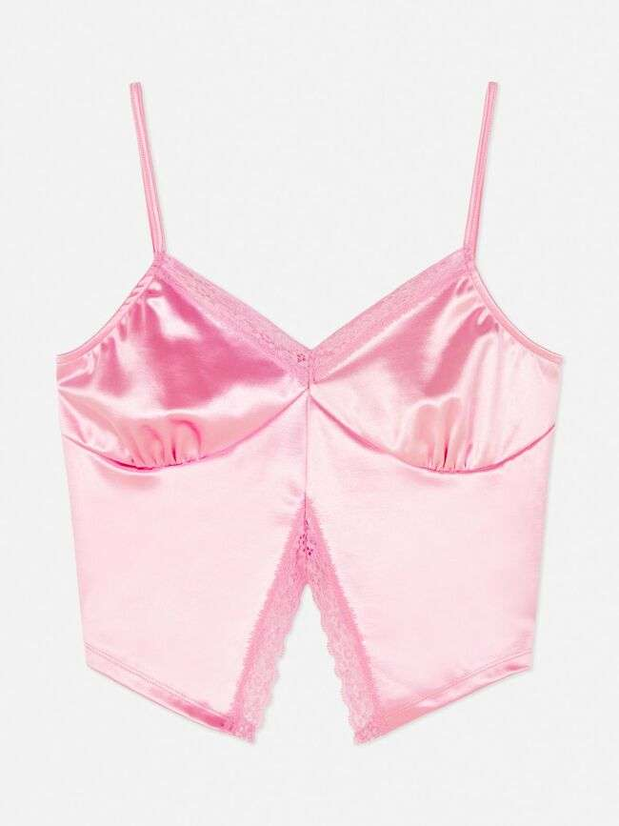 | PRIMARK | 80111 | TOP | 8-pattern top | SATIN SPLIT HEM CAMI | Pink | 48,975 | 9.00 € | 440,793.63 € | Turkey | 991049707 | XS to S Ttill XL | CAMISETA | PV23 SERIE 1 SL10CAMISETA | 93% Polyester / 7% Elastane
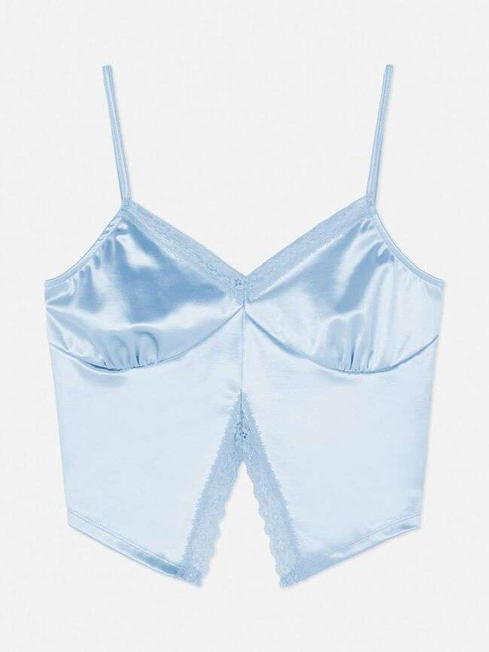 | PRIMARK | 80111 | TOP | 8-top | SATIN SPLIT HEM CAMI | Blue | 12,190 | 9.00 € | 109,715.01 € | Turkey | 991049707 | XS to S Ttill XL | CAMISETA | PV23 SERIE 1 SL9CAMISETA | 93% Polyester / 7% Elastane
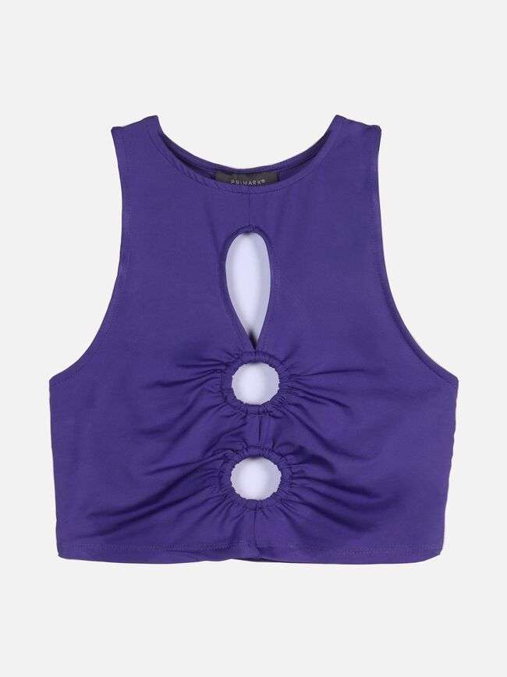 | PRIMARK | 15752 | TOP | 8-top | SLINKY O RING VEST | Purple | 7,490 | 8.00 € | 59,926.46 € | Turkey | 991047359 | XS to S Ttill XL | CAMISETA | PV23 SERIE 1 SL7CAMISETA | 90% Polyester / 10% Elastane
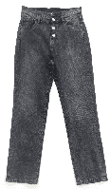 | PRIMARK | 74020 | TROUSERS | 18- Denim trousers | XPAR CO EMBELLISHED JEAN | Barely Black | 1,278 | 19.00 € | 24,282.00 € | Pakistan | 991023852 | XS to S Ttill XL | PANTALON | PV23 SERIE 2 SL6PANTALON | 100% Cotton
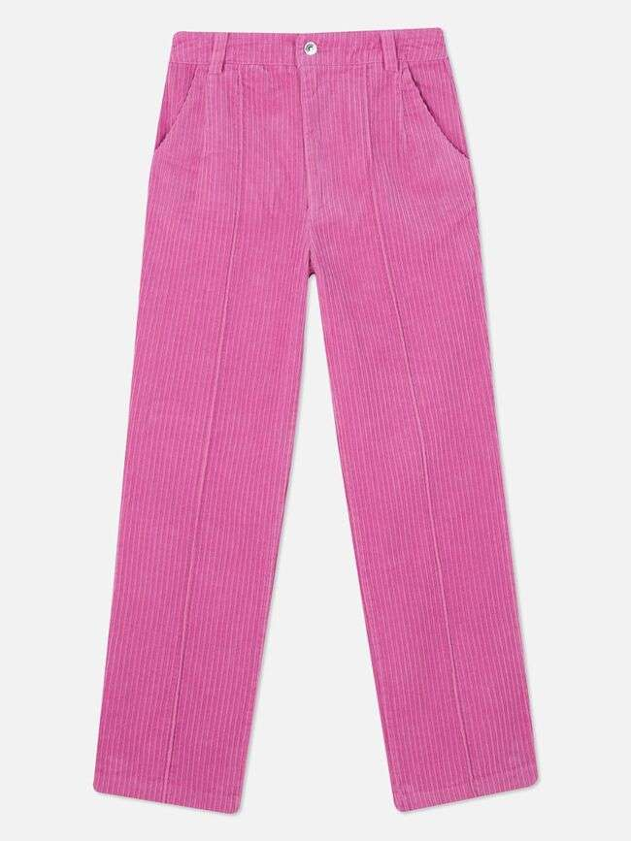 | PRIMARK | 27496 | TROUSERS | 18-denim | CO CORD LEG | Hot Pink | 2,115 | 20.00 € | 42,302.64 € | China | 991042334 | XS to S Ttill XL | PANTALON | PV23 SERIE 1 SL13PANTALON | 100% Cotton
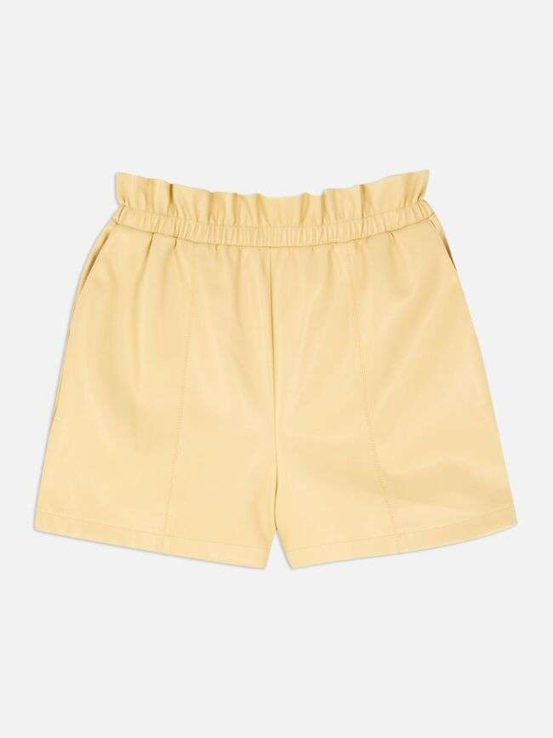 | PRIMARK | 26783 | TROUSERS | 33- leather shorts | PU PAPERBAG SHORT | Light Yellow | 3,656 | 14.00 € | 51,186.56 € | Myanmar | 991038869 | XS to S Ttill XL | PANTALON | PV23 SERIE 1 SL12PANTALON | 100% Polyester
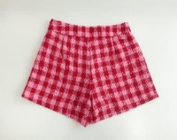 N/A | PRIMARK | 39522 | TROUSERS | 33- shorts | CO CARNABY BOUCLE SHORT | Red | 82 | 13.00 € | 1,066.00 € | Vietnam | 991037165 | XS to S Ttill XL | PANTALON | PV23 SERIE 2 SL3PANTALON | 100 % Polyester
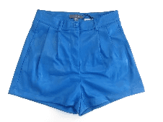 N/A | PRIMARK | 10597 | TROUSERS | 33- shorts | PU SHORT | Blue | 300 | 12.00 € | 3,600.00 € |  |  | XS to S Ttill XL | PANTALON | PV23 SERIE 1 SL4PANTALON
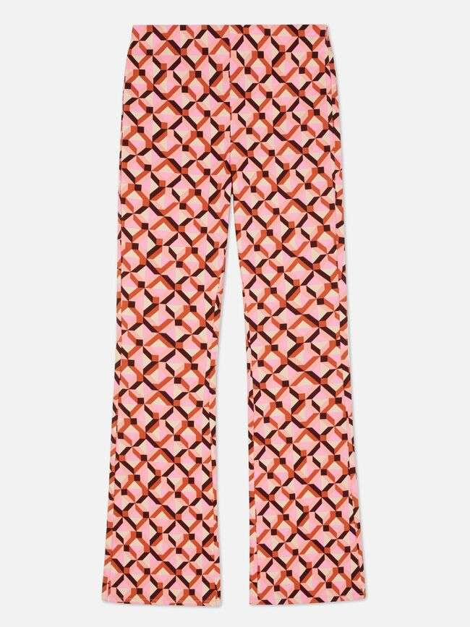 | PRIMARK | 24520 | TROUSERS | 33-pattern trousers | CO LARA FLARE | Brown | 6,946 | 16.00 € | 111,143.97 € | Bangladesh | 991048370 | XS to S Ttill XL | PANTALON | PV23 SERIE 1 SL9PANTALON | 78% Viscose / 19% Polyamide / 3% Elastane
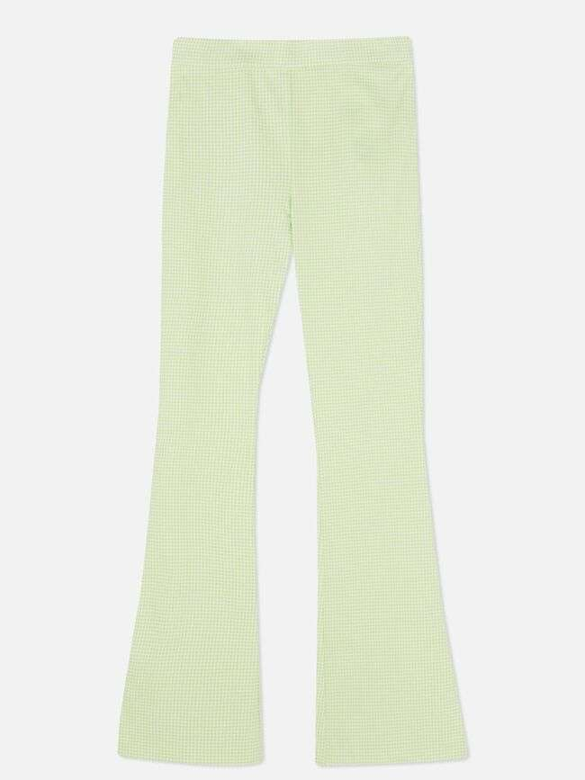 | PRIMARK | 83195 | TROUSERS | 33-Slim Trousers | GINGHAM JET FLARE | Lime | 191 | 16.00 € | 3,056.07 € | Vietnam | 991032470 | XS to S Ttill XL | PANTALON | PV23 SERIE 2 SL8PANTALON | 79% Viscose / 18% Nylon / 3% Elastane
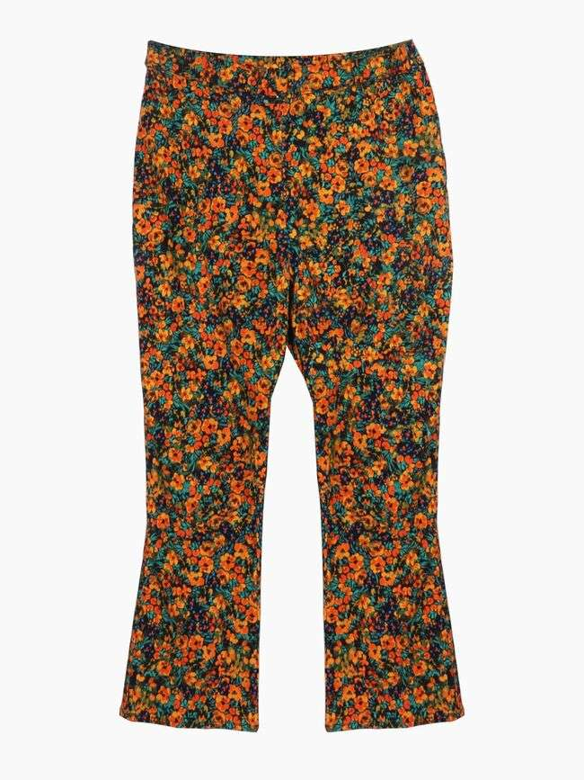 | PRIMARK | 18105 | TROUSERS | 33-Trousers | LARA BELT CROP KICKFLARE | Dark Orange | 2,900 | 16.00 € | 46,401.92 € | Bangladesh | 991046434 | XS to S Ttill XL | PANTALON | PV23 SERIE 1 SL5PANTALON | 78% Viscose / 19% Polyamide / 3% Elastane
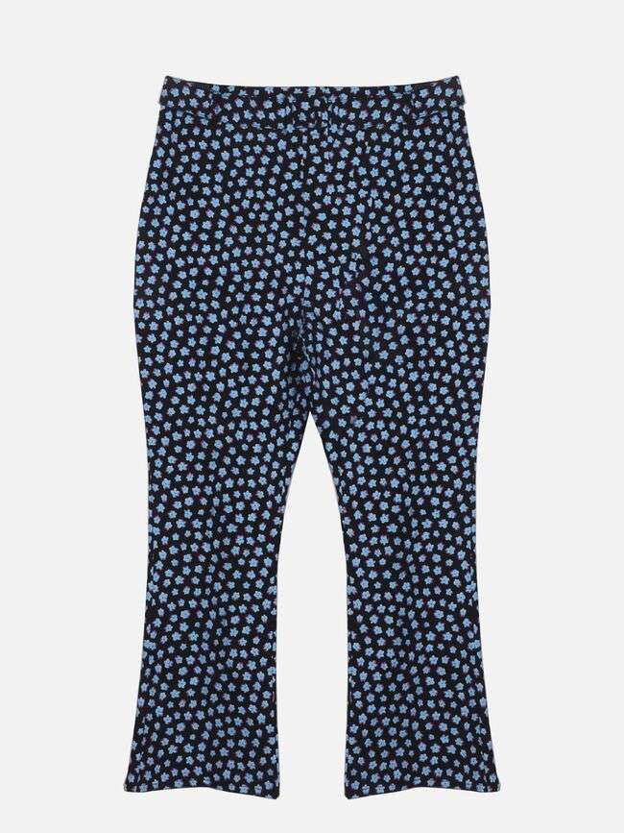 | PRIMARK | 68849 | TROUSERS | 33-Trousers | BELTED CARNABY CROP KICKF | Multi | 80 | 16.00 € | 1,280.06 € | Bangladesh | 991040540 | XS to S Ttill XL | PANTALON | PV23 SERIE 2 SL5PANTALON | 78% Viscose / 19% Polyamide / 3% Elastane
 | PRIMARK | 31404 | TROUSERS | 33-Trousers corduroy | PE WEST VILLAGE CORD TROUSER | Hot Pink | 4,965 | 18.00 € | 89,373.77 € | Sri Lanka | 991049262 | XS to S Ttill XL | PANTALON | PV23 SERIE 2 SL1PANTALON | 87% Polyester / 11% Nylon / 2% Elastane
 | PRIMARK | 07821 | TROUSERS | 33-Velvet trousers | PE XPAR CRINKLE VELVET TROUSER | Red | 2,200 | 18.00 € | 39,601.85 € | China | 991053189 | XS to S Ttill XL | PANTALON | PV23 SERIE 1 SL1PANTALON | 100% Polyester
TOTAL PRIMARK |  |  |  |  |  |  | 381,037 | 14.12 € | 5,379,552.94 €

